NA Form(1)
K55 Form
CP Name |  | Location of issue |  |  | x |  | Y |  | Milestone Dates | CP | KCOM | KCOM Comments | Picture - Chamber (A) |  | Picture - Chamber (B)
KPIA Ref |  | KCOM NA Ref |  | Category *Select Product |  | Network Adjustment |  | Product | Submitted |  |  |  | Mandatory |  | Mandatory
CP Own Ref |  | Submitted By: (Name, Company & Contact Details) |  |  |  |  |  | SPO | Build Complete
NA Status | Submitted | Detailed Description of Issue, Proposals and any TM or SED's |  |  |  |  |  |  | Updates
 |  |  |  |  |  |  |  |  | KCOM Comments

 |  |  |  |  |  |  |  |  | Picture - Open Trench (Before) |  |  |  | Picture - Open Trench (After) |  | Picture - Reinstatement
 |  |  |  |  |  |  |  |  | Mandatory When Submitting Completion. Showing issue. |  |  |  | Mandatory When Submitting Completion. Showing fix. |  | Mandatory When Submitting Completion Showing reinstatement

Mandatory 1:500 plan of the area showing network and issues.

 |  |  |  |  |  |  |  |  | Picture of general area with issue location marked
 |  |  |  |  |  |  |  |  | Mandatory

Additional photo (1) e.g. Rods from property side |  |  | Additional photo (2) |  |  |  |  | Additional photo (3) |  |  | Additional photo (4) |  |  | Additional photo (5)

Example
K55 Form
CP Name | CP1 | Location of issue | Opp 2 Red House Farm, Hedon, HU12 8PX |  | x | 517843 | Y | 654343 |  |  | Milestone Dates | CP | KCOM | KCOM Comments | Picture - Chamber (A) |  | Picture - Chamber (B)
KPIA Ref | CS564343 | KCOM NA Ref |  | Category *Select Product |  | Network Adjustment |  |  | Product | Spine duct (Blocked) | Submitted | 2026-07-27 | 2026-07-27 |  | 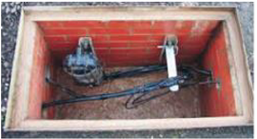 Mandatory |  | Mandatory
CP Own Ref | CPX434234 | Submitted By: (Name, Company & Contact Details) | Joe Bloggs, Company 1, Tel 01232 123232 |  |  |  |  |  | SPO | Yes | Build Complete
NA Status | Acknowledged | Detailed Description of Issue, Proposals and any TM or SED's | Duct blocked Opp 2 Red House Farm |  |  |  |  |  |  |  | Updates
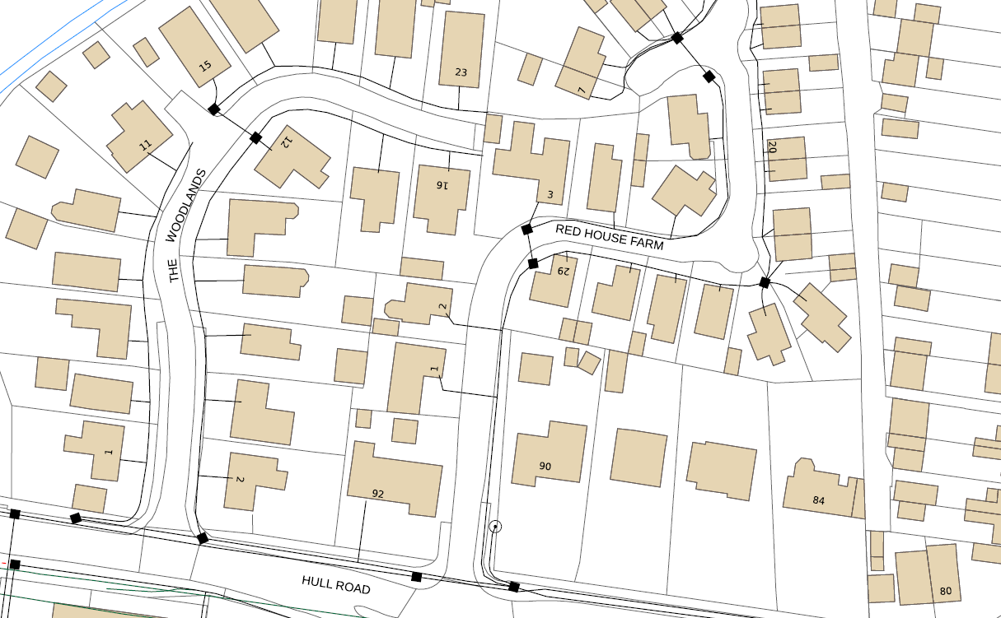 |  |  |  |  |  |  |  |  |  |  | KCOM Comments

 |  |  |  |  |  |  |  |  |  |  | Picture - Open Trench (Before) |  |  |  | Picture - Open Trench (After) |  | Picture - Reinstatement
 |  |  |  |  |  |  |  |  |  |  | Mandatory When Submitting Completion. Showing issue. |  |  |  | Mandatory When Submitting Completion. Showing fix. |  | Mandatory When Submitting Completion Showing reinstatement

Mandatory 1:500 plan of the area showing network and issues.

Chamber B

Issue Location
 |  |  |  |  |  |  |  |  |  |  | Picture of general area with issue location marked
 |  |  |  |  |  |  |  |  |  |  | 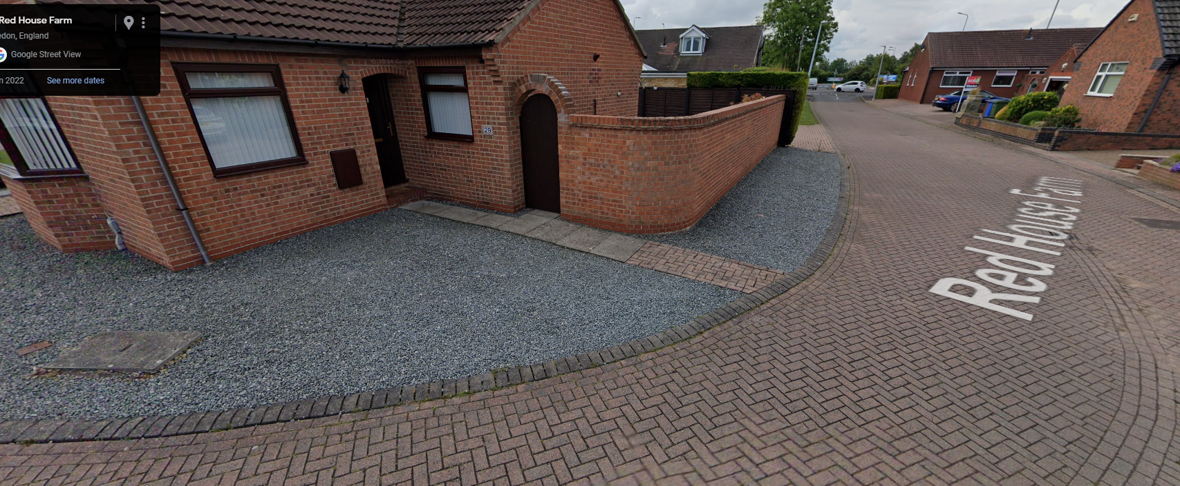 Mandatory

Issue Location
Chamber A

Additional photo (1) e.g. Rods from property side |  |  | Additional photo (2) |  |  |  |  |  | Additional photo (3) |  |  |  | Additional photo (4) |  |  | Additional photo (5)

